Sheet1
Bug-report "Cake Land"
№ | Title |  | Precondition | Steps to reproduce | Actual result | Expected result | Attachments
1 | Incorrect form title is displayed: "Contact us" |  | 1. The landing page is open: https://test-stand.gb.ru/seminar_stands/CakeLand-main/contact.html | 1. Check the title of the form header | The form has the title "Contact Us" | The form has the title "Feedback Form" | 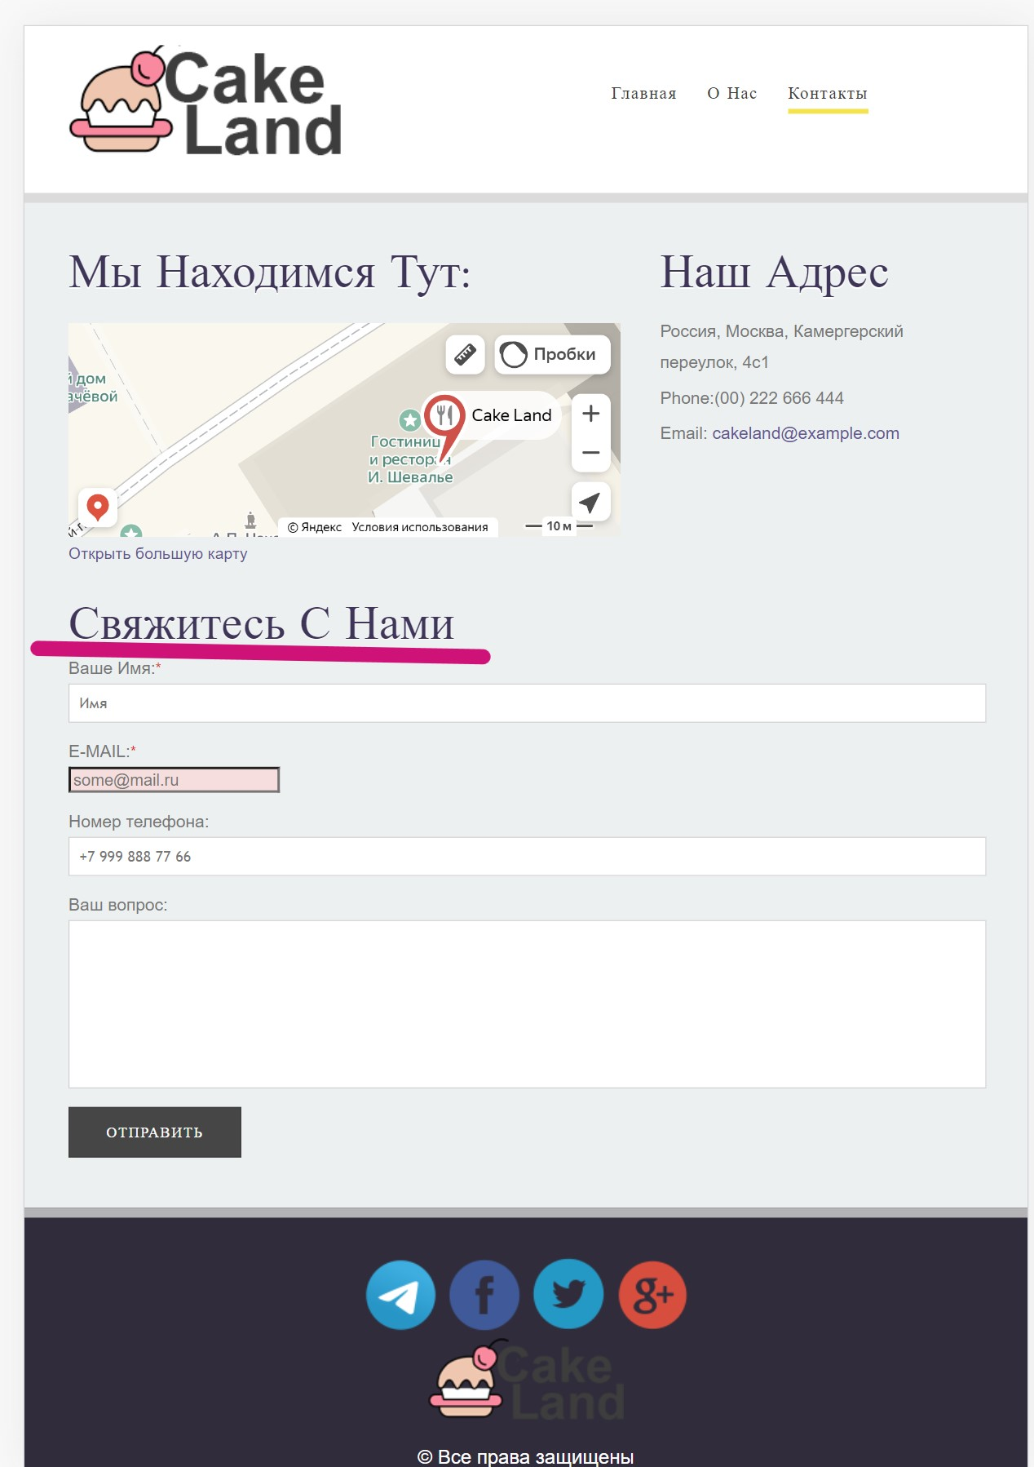 ссылка на скриншот, логи...
 |  |  |  | 2
 |  |  |  | 3
 | Severity | minor | Environment | 4
 | Priority | high | Opera 98.0.4759.39, Windows 11, 64-bit | 5
№ | Title |  | Precondition | Steps to reproduce | Actual result | Expected result | Attachments
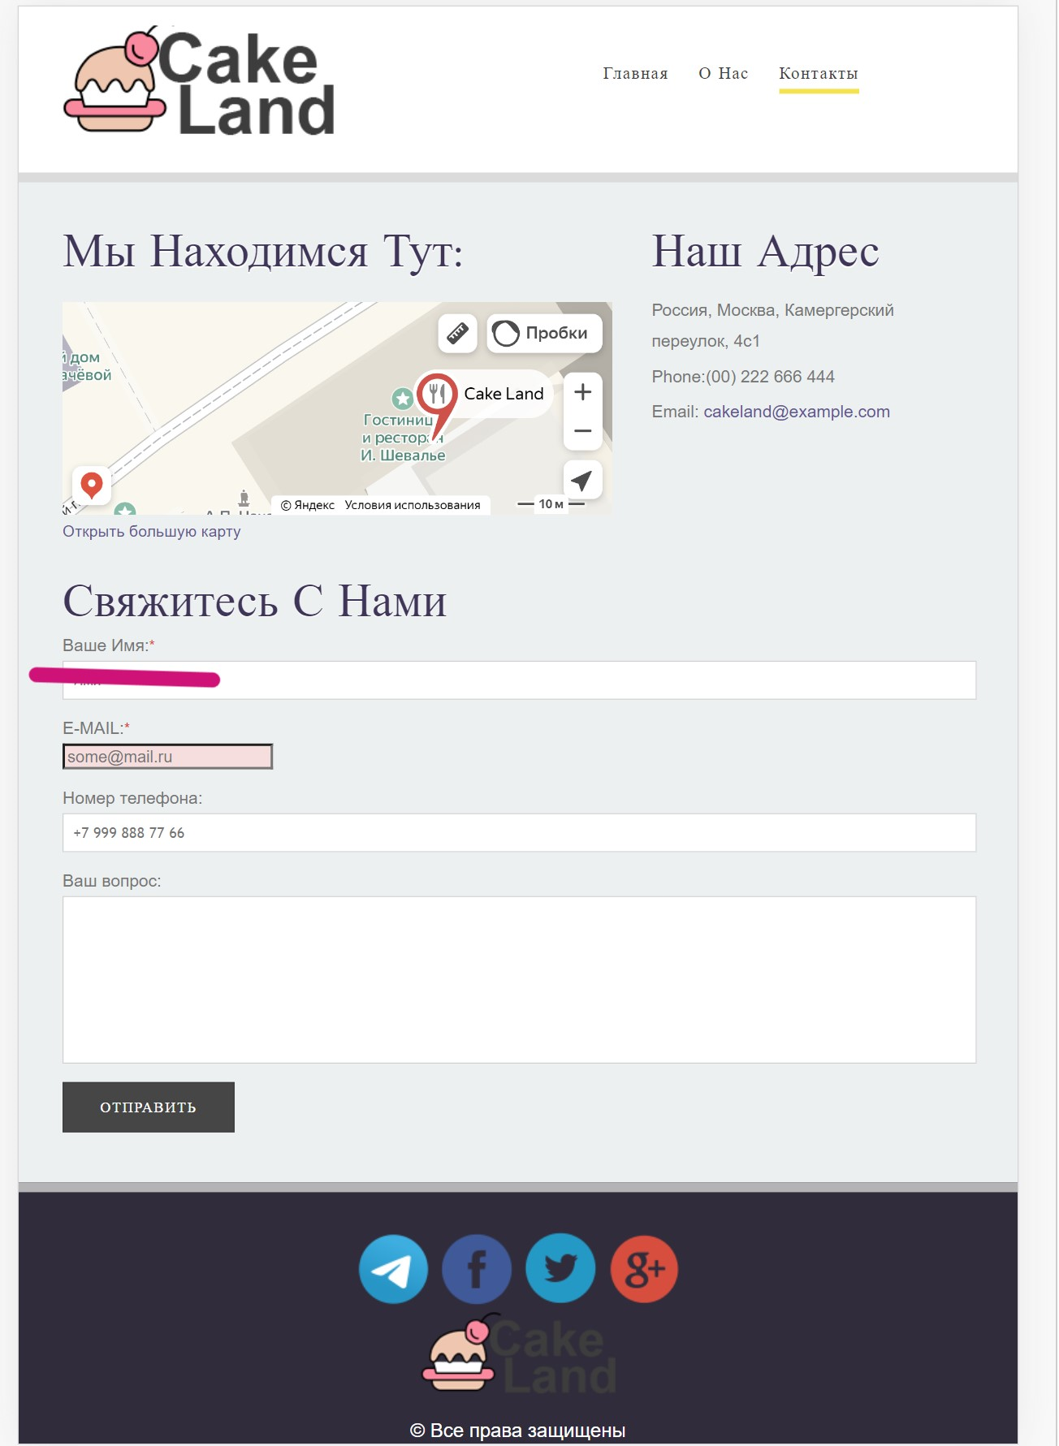
2 | The "Name" field is displayed as "Your name" |  | 1. The landing page is open: https://test-stand.gb.ru/seminar_stands/CakeLand-main/contact.html | 1. Check the name of the "Name" field | The "Name" field is displayed as "Your name" | The "Name" field is displayed as "Name"
 |  |  |  | 2
 |  |  |  | 3
 | Severity | major | Environment | 4
 | Priority | medium | Opera 98.0.4759.39, Windows 11, 64-bit | 5
№ | Title |  | Precondition | Steps to reproduce | Actual result | Expected result | Attachments
3 | The "Name" field has no restrictions on the number of characters entered |  | 1. The landing page is open: https://test-stand.gb.ru/seminar_stands/CakeLand-main/contact.html 2. Devtools is opened | 1.Go to the tab: Elements | The maximum length of the "Name" field is 25 characters | The "Name" field has no restrictions on the number of characters entered
 |  |  |  | 2. Check attributes: min and maxlenghts of the "Name" field
 |  |  |  | 3
 | Severity | major | Environment | 4
 | Priority | medium | Opera 98.0.4759.39, Windows 11, 64-bit | 5
№ | Title |  | Precondition | Steps to reproduce | Actual result | Expected result | Attachments
4 | If the user entered the data in the "Name" field in an incorrect format, the "Incorrect format" error is not displayed |  | 1. The landing page is open: https://test-stand.gb.ru/seminar_stands/CakeLand-main/contact.html | 1. Enter numbers or special characters in the "Name" field | If the user entered the data in the "Name" field in an incorrect format, the "Incorrect format" error is not displayed | If the user entered the data in the "Name" field in an incorrect format, the error "Incorrect format" is displayed
 |  |  |  | 2. Fill in the remaining fields of the form with valid data
 |  |  |  | 3. Click on the "send" button
 | Severity | major | Environment | 4
 | Priority | medium | Opera 98.0.4759.39, Windows 11 64-bit | 5
№ | Title |  | Precondition | Steps to reproduce | Actual result | Expected result | Attachments
5 | The "Name" field accepts numbers and special characters for input |  | 1. The landing page is open: https://test-stand.gb.ru/seminar_stands/CakeLand-main/contact.html | 1. Enter numbers in the "Name" field | The "Name" field accepts digits for input. The "Name" field accepts special characters for input | The "Name" field does not accept digits for input. The "Name" field does not accept special characters for input
 |  |  |  | 2. Enter special characters in the "Name" field
 |  |  |  | 3
 | Severity | major | Environment | 4
 | Priority | high | Opera 98.0.4759.39, Windows 11 64-bit | 5
№ | Title |  | Precondition | Steps to reproduce | Actual result | Expected result | Attachments
6 | The "Email" field is displayed in capital letters (E-MAIL) |  | 1. The landing page is open: https://test-stand.gb.ru/seminar_stands/CakeLand-main/contact.html | 1. Check the display of the "Email" field | The "Email" field is displayed in capital letters (E-MAIL) | The "Email" field is displayed as "Email" | 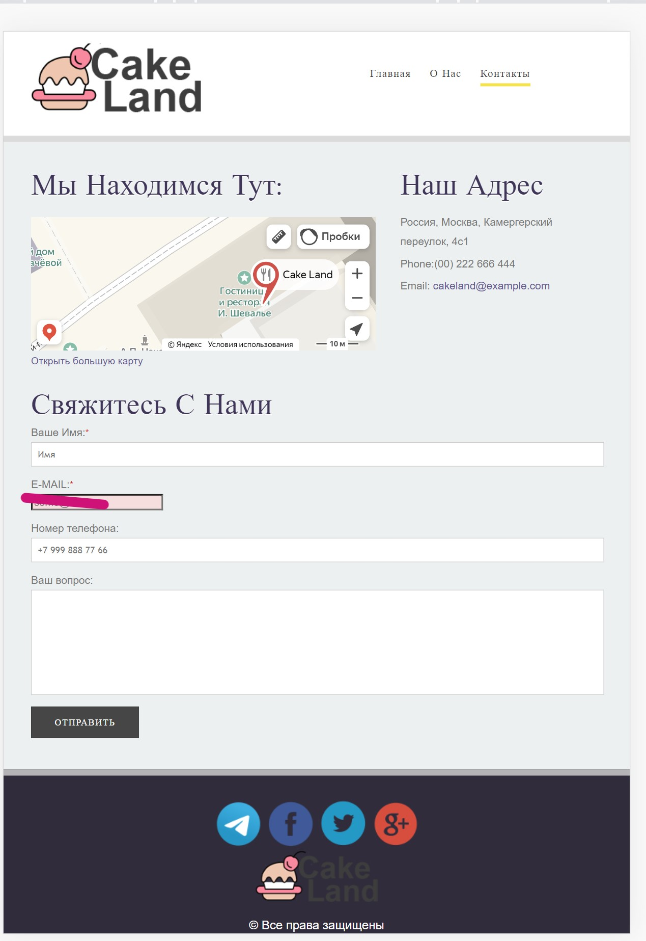
 |  |  |  | 2
 |  |  |  | 3
 | Severity | major | Environment | 4
 | Priority | medium | Opera 98.0.4759.39, Windows 11, 64-bit | 5
№ | Title |  | Precondition | Steps to reproduce | Actual result | Expected result | Attachments
7 | If the user does not specify data in the "Email" and "Name" fields, the error "Fill in the field" in English is displayed |  | 1. The landing page is open: https://test-stand.gb.ru/seminar_stands/CakeLand-main/contact.html | 1. Fill in all fields of the form with valid data | If the user does not specify data in the "Email" / "Name" field, the error "Fill in the field" in English is displayed | If the user does not specify the data in the "Email" / "Name" field, the error "Fill in the field" in Russian is displayed | 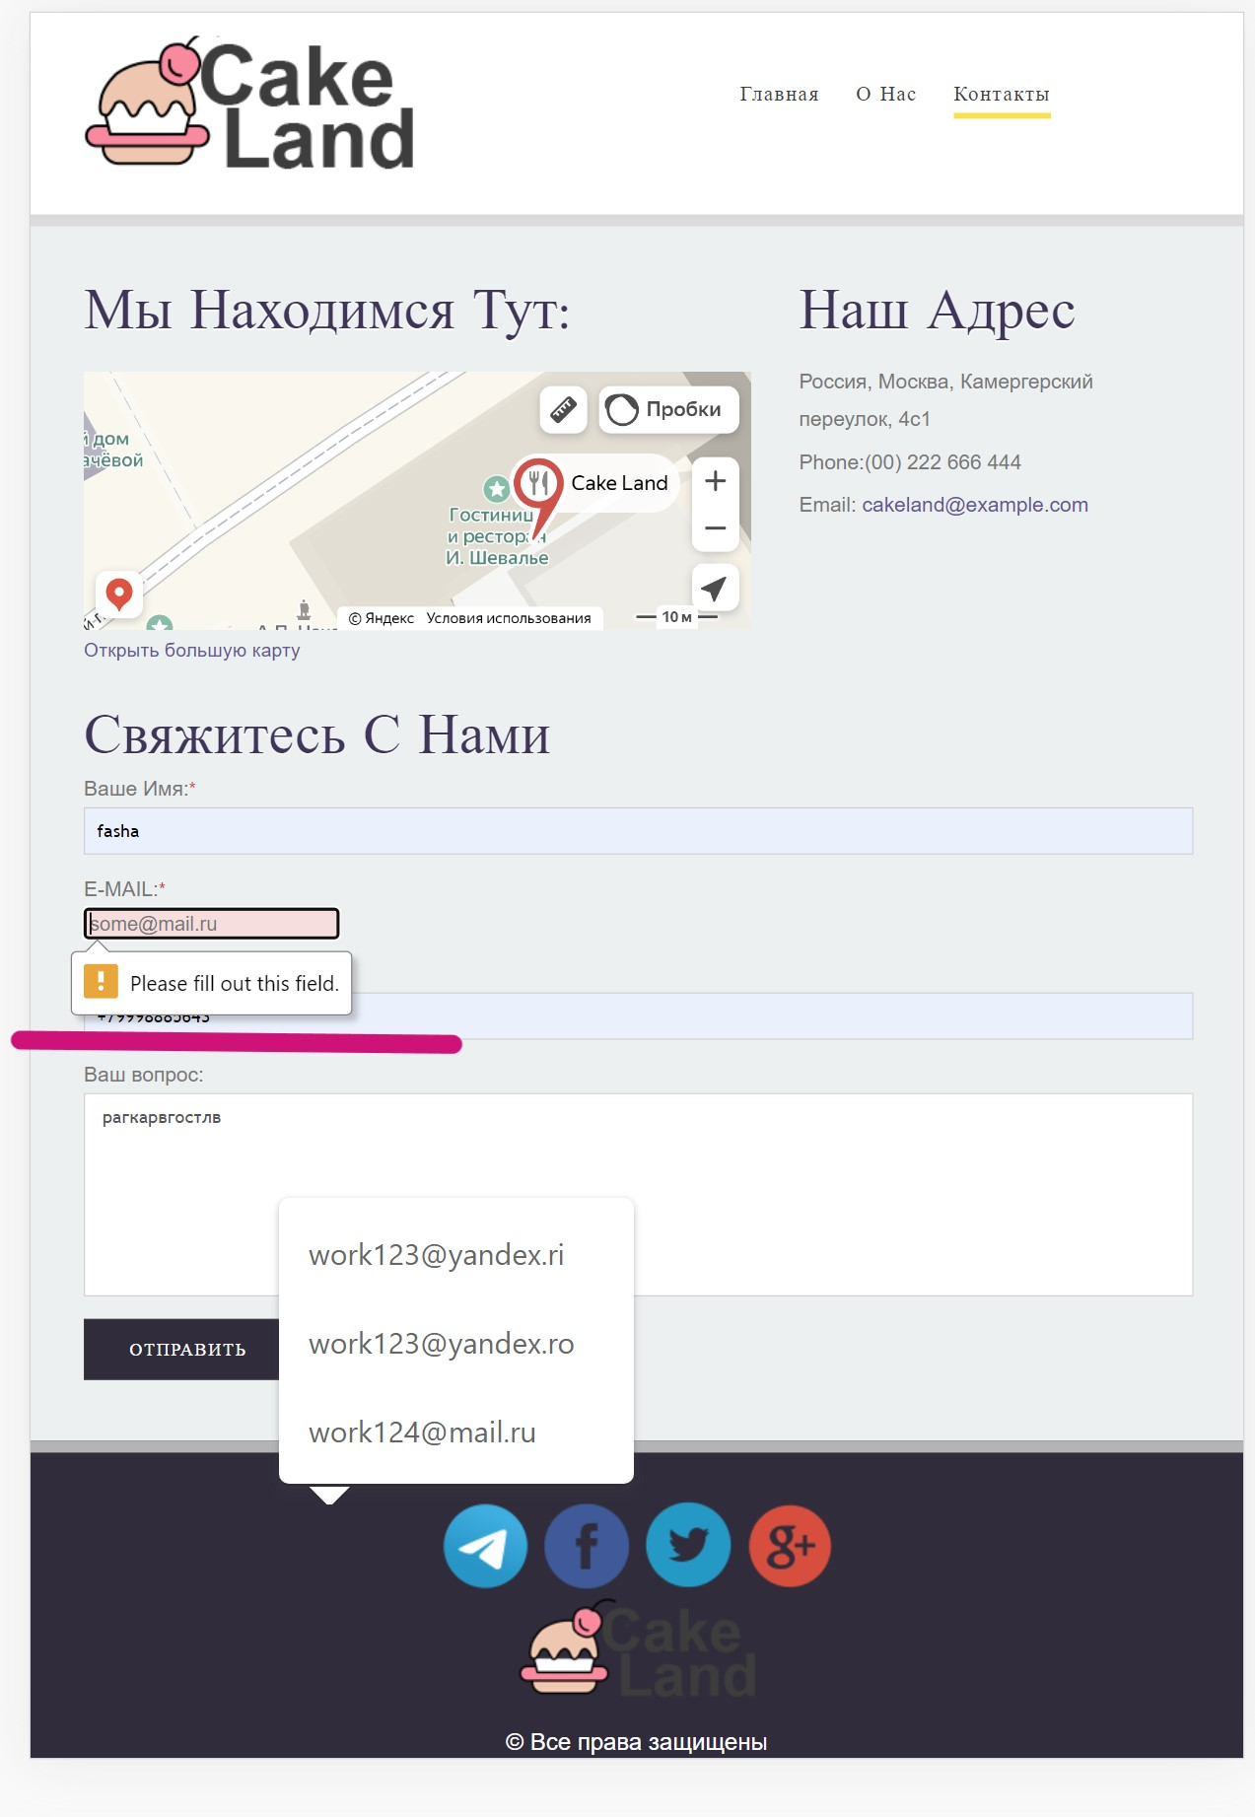
 |  |  |  | 2. Leave the "Email"/ "Name" field empty
 |  |  |  | 3. Click on the "Send" button
 | Severity | major | Environment | 4
 | Priority | medium | Opera 98.0.4759.39, Windows 11, 64-bit | 5
№ | Title |  | Precondition | Steps to reproduce | Actual result | Expected result | Attachments
8 | If the user entered the data in the "Email" field in an incorrect format, the error "Incorrect format of the entered data" is NOT displayed |  | 1. The landing page is open: https://test-stand.gb.ru/seminar_stands/CakeLand-main/contact.html | 1. Enter the Cyrillic alphabet in the "Email" field | If the user entered the data in the "Email" field in an incorrect format, the error "Incorrect format of the entered data" is NOT displayed | If the user entered the data in the "Email" field in an incorrect format, the error "Incorrect format of the entered data" is displayed
 |  |  |  | 2.Fill in the remaining fields of the form with valid data
 |  |  |  | 3. Click on the "Send" button
 | Severity | major | Environment | 4
 | Priority | medium | Opera 98.0.4759.39, Windows 11, 64-bit | 5
№ | Title |  | Precondition | Steps to reproduce | Actual result | Expected result | Attachments
9 | The "Phone numbers" field has no restrictions on the number of characters entered |  | 1. The landing page is open: https://test-stand.gb.ru/seminar_stands/CakeLand-main/contact.html | 1.Enter up to 10 characters in the "Phone number" field | The "Phone numbers" field has no restrictions on the number of characters entered | The minimum length of the "Phone number" field is 10 characters. The maximum length of the "Phone number" field is 18 characters
 |  |  |  | 2.Enter more than 18 characters in the "Phone number" field
 |  |  |  | 3
 | Severity | major | Environment | 4
 | Priority | medium | Opera 98.0.4759.39, Windows 11 64-bit | 5
№ | Title |  | Precondition | Steps to reproduce | Actual result | Expected result | Attachments
10 | The "Phone number" field is optional |  | 1. The landing page is open: https://test-stand.gb.ru/seminar_stands/CakeLand-main/contact.html 2. Devtools is opened | 1. Go to the Elements tab | The "Phone number" field is optional | The "Phone number" field is mandatory
 |  |  |  | 2.Check the mandatory attributes of the "Phone number" field
 |  |  |  | 3
 | Severity | major | Environment | 4
 | Priority | medium | Opera 98.0.4759.39, Windows 11 64-bit | 5
№ | Title |  | Precondition | Steps to reproduce | Actual result | Expected result | Attachments
11 | If the user does not specify data in the "Phone numbers" field, then the "Fill in the field" error is not displayed |  | 1. The landing page is open: https://test-stand.gb.ru/seminar_stands/CakeLand-main/contact.html | 1. Fill in all fields of the form with valid data | If the user does not specify data in the "Phone numbers" field, then the "Fill in the field" error is not displayed | If the user does not specify data in the "Phone numbers" field, the error "Fill in the field" is displayed
 |  |  |  | 2. Leave the "Phone numbers" field empty
 |  |  |  | 3. Click on the "Send" button
 | Severity | major | Environment | 4
 | Priority | medium | Opera 98.0.4759.39, Windows 11 64-bit | 5
№ | Title |  | Precondition | Steps to reproduce | Actual result | Expected result | Attachments
12 | If the user entered the data in the "Phone Numbers" field in an incorrect format, the "Incorrect format" error is NOT displayed |  | 1. The landing page is open: https://test-stand.gb.ru/seminar_stands/CakeLand-main/contact.html | 1.Enter the letters in the "Phone numbers" field | If the user entered the data in the "Phone Numbers" field in an incorrect format, the "Incorrect format" error is NOT displayed | If the user entered the data in the "Phone Numbers" field in an incorrect format, the error "Incorrect format" is displayed
 |  |  |  | 2.Fill in the remaining fields of the form with valid data
 |  |  |  | 3. Click on the "Send" button
 | Severity | major | Environment | 4
 | Priority | medium | Opera 98.0.4759.39, Windows 11, 64-bit | 5
№ | Title |  | Precondition | Steps to reproduce | Actual result | Expected result | Attachments
13 | The "Phone number" field accepts letters and special characters (which were not listed in the requirements) for input |  | 1. The landing page is open: https://test-stand.gb.ru/seminar_stands/CakeLand-main/contact.html | 1. Enter the letters in the "Phone number" field | The "Phone number" field accepts letters (Latin, Cyrillic) for input Special characters: punctuation marks, exclamation and question marks, icons ("@#$%^&*=) | The "Phone number" field does not accept letters for input
 |  |  |  | 2. Enter special characters in the "Phone number" field
 |  |  |  | 3
 | Severity | major | Environment | 4
 | Priority | high | Opera 98.0.4759.39, Windows 11, 64-bit | 5
№ | Title |  | Precondition | Steps to reproduce | Actual result | Expected result | Attachments
14 | The "Message" field is displayed as "Your question" |  | 1. The landing page is open: https://test-stand.gb.ru/seminar_stands/CakeLand-main/contact.html | 1. Check the name of the "Message" field | The "Message" field is displayed as "Your question" | The "Message" field is displayed as "Message" | 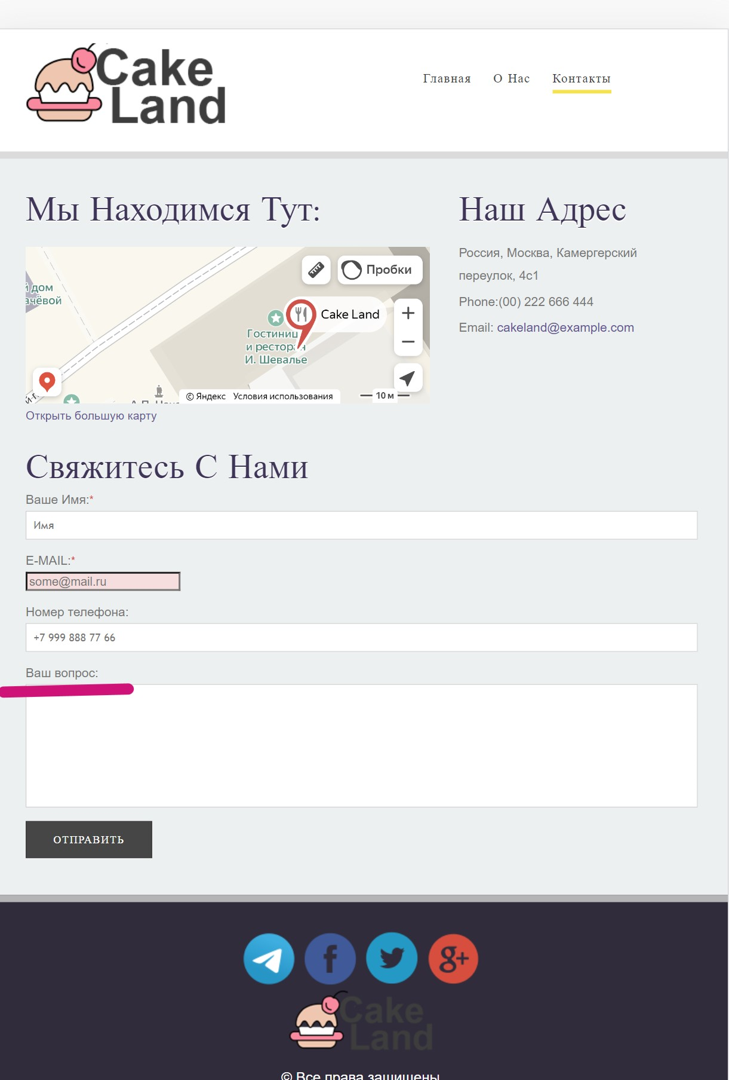
 |  |  |  | 2
 |  |  |  | 3
 | Severity | major | Environment | 4
 | Priority | medium | Opera 98.0.4759.39, Windows 11, 64-bit | 5
№ | Title |  | Precondition | Steps to reproduce | Actual result | Expected result | Attachments
15 | The text type is not specified in the "Message" field |  | 1. The landing page is open: https://test-stand.gb.ru/seminar_stands/CakeLand-main/contact.html 2. Devtools is opened | 1. Go to the Elements tab | The text type is not specified in the "Message" field | The "Message" field is of the text type
 |  |  |  | 2.Check the attributes of the "Message" field
 |  |  |  | 3
 | Severity | major | Environment | 4
 | Priority | medium | Opera 98.0.4759.39, Windows 11, 64-bit | 5
№ | Title |  | Precondition | Steps to reproduce | Actual result | Expected result | Attachments
16 | The "Message" field has no restrictions on the number of characters entered |  | 1. The landing page is open: https://test-stand.gb.ru/seminar_stands/CakeLand-main/contact.html | 1. Enter more than 250 characters in the "Message" field | The "Message" field has no restrictions on the number of characters entered | The minimum length of the "Message" field is 1 character. The maximum length of the "Message" field is 250 characters
 |  |  |  | 2
 |  |  |  | 3
 | Severity | major | Environment | 4
 | Priority | medium | Opera 98.0.4759.39, Windows 11, 64-bit | 5
№ | Title |  | Precondition | Steps to reproduce | Actual result | Expected result | Attachments
17 | The "Message" field is optional |  | 1. The landing page is open: https://test-stand.gb.ru/seminar_stands/CakeLand-main/contact.html 2. Devtools is opened | 1. Go to the Elements tab | The "Message" field is optional | The "Message" field is mandatory
 |  |  |  | 2.Check the mandatory attributes of the "Messages" field
 |  |  |  | 3
 | Severity | major | Environment | 4
 | Priority | medium | Opera 98.0.4759.39, Windows 11, 64-bit | 5
№ | Title |  | Precondition | Steps to reproduce | Actual result | Expected result | Attachments
18 | If the user does not specify data in the "Message" field, then the "Fill in the field" error is NOT displayed |  | 1. The landing page is open: https://test-stand.gb.ru/seminar_stands/CakeLand-main/contact.html | 1.Fill in all fields of the form with valid data | If the user does not specify data in the "Message" field, then the "Fill in the field" error is NOT displayed | If the user does not specify data in the "Message" field, the error "Fill in the field" is displayed
 |  |  |  | 2. Leave the "Message" field empty
 |  |  |  | 3. Click on the "Send" button
 | Severity | major | Environment | 4
 | Priority | medium | Opera 98.0.4759.39, Windows 11 64-bit | 5
№ | Title |  | Precondition | Steps to reproduce | Actual result | Expected result | Attachments
19 | If the user entered the data in the "Message" field in an incorrect format, the "Incorrect format" error is NOT displayed |  | 1. The landing page is open: https://test-stand.gb.ru/seminar_stands/CakeLand-main/contact.html | 1. Enter Chinese characters in the "Message" field | If the user entered the data in the "Message" field in an incorrect format, the "Incorrect format" error is NOT displayed | If the user entered the data in the "Message" field in an incorrect format, the error "Incorrect format" is displayed
 |  |  |  | 2.Fill in the remaining fields of the form with valid data
 |  |  |  | 3. Click on the "Send" button
 | Severity | major | Environment | 4
 | Priority | medium | Opera 98.0.4759.39, Windows 11 64-bit | 5
№ | Title |  | Precondition | Steps to reproduce | Actual result | Expected result | Attachments
20 | When a message is successfully sent, the successful message "Your message has been sent" is NOT displayed |  | 1. The landing page is open: https://test-stand.gb.ru/seminar_stands/CakeLand-main/contact.html | 1.Fill in all fields of the form with valid data | When a message is successfully sent, the successful message "Your message has been sent" is NOT displayed | When a message is successfully sent, the successful message "Your message has been sent" is displayed
 |  |  |  | 2. Click on the "Send" button
 |  |  |  | 3
 | Severity | major | Environment | 4
 | Priority | medium | Opera 98.0.4759.39, Windows 11 64-bit | 5

